FirstPage
CSUSM

BUS 204

Pretest 4.2
Master Answers
5/5/22

Click Here to Start

Exam Content
Back
Problem 9

Pretest 4.2 Problems

Problem 1

Problem 2

CProblem 1 (2)
Back
Check Problem 1
Answer

Is there a difference between means of these three samples?
Test at 0.05 level of significance.
Green Test Bank 393 ANOVA

A | B | C | Anova: Single Factor
19.2 | 40.6 | 39.5
17.7 | 40.0 | 42.3 | SUMMARY
17.2 | 41.5 | 47.0 | Groups | Count | Sum | Average | Variance
18.9 | 30.5 | 45.4 | Column 1 | 7 | 153.7 | 21.957142857 | 27.996190476
26.9 | 46.8 | 41.1 | Column 2 | 5 | 199.4 | 39.88 | 34.757
22.6 |  | 43.2 | Column 3 | 9 | 389.6 | 43.288888889 | 10.988611111
31.2 |  | 39.9
 |  | 41.9
 |  | 49.3 | ANOVA
Calculate:
Ho = means are equal
Ha = means are not equal
Should or should not the Ho be rejected?
 |  |  | Source of Variation | SS | df | MS | Ftest | P-value | F crit
 |  |  | Between Groups | 1925.4126349 | 2 | 962.70631746 | 43.879711333 | 1.1983423387E-07 | 3.5545571457
 |  |  | Within Groups | 394.91403175 | 18 | 21.93966843

 |  |  | Total | 2320.3266667 | 20

F (test) = 43.8797
F (critical) = 3.5546

The Ho should be rejected. The means are not equal.
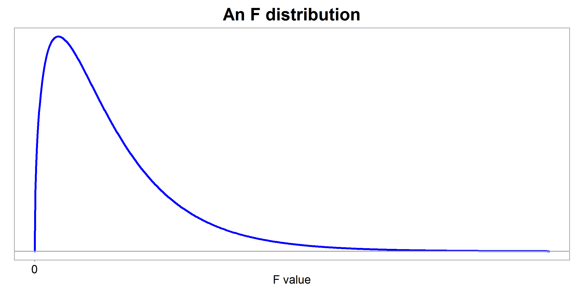

3.5546
43.8797

F-critical
F-test

Problem 1
Back
Problem 1
Workspace
Check

Is there a difference between means of these three samples?
Test at 0.05 level of significance.
Green Test Bank 393 ANOVA
Calculate:
Ho = means are equal
Ha = means are not equal
Should or should not the Ho be rejected?

A | B | C
19.2 | 40.6 | 39.5
17.7 | 40.0 | 42.3
17.2 | 41.5 | 47.0
18.9 | 30.5 | 45.4
26.9 | 46.8 | 41.1
22.6 |  | 43.2
31.2 |  | 39.9
 |  | 41.9
 |  | 49.3

CProblem2
Back
Check Problem 2
Answer

Selected sample: 100 Democrats,100 Republicans, and 200 Independents.
When the question was asked whether they would support the issue that is on the ballot:
*40% of Democrats said that they would support the issue
*70% of Republicans would also support this issue
*50% of Independents would not support this issue
Use the Chi-square distribution to test the proposition that the proportion of voters would support the issue on the ballot is the same for these three groups of voters.
Test at 1% significance level.
$s^{2}$=
 | 1.2544

CHISQINV (0.99,2)
 |  | 9.2103

Ho = no difference
Ha ≠ difference
n-1 =3 -1 = 2

Since 19.0 > 9.210 reject the "no difference" Ho
There is enough evidence to make the case that political party membership matters when it comes to supporting this issues on the ballot.

Step 1: Pool the sample proportion
$\overline{P}$ = (n1*$\overline{p1}+n2 \overline{p2}+n3∗\overline{p3})$ / (n1 + n2 + n3)
= ((100*0.4) + (100*0.7) +200*(0.5))/(100 +100 +200))
Step 2: Compute each of the sample z scores
z1 = (0.4-0.525)/(sqrt (0.525*(1-0.525))/100)
z1 = (0.7-0.525)/(sqrt (0.525*(1-0.525))/100)
z1 = (0.5-0.525)/(sqrt (0.525*(1-0.525))/200)
Step 3. Calculate the sample Chi-square value
$x^{2}$= (-2.5031)^2 + (3.5044)^2 + (0.708)^2
Step 4. Calculate the critical value

Reject Ho

0.525

Critical
Test

9.21
19.05
-2.5031308716

3.5043832203

-0.7079923254

19.05

Problem 2
Back
Problem 2
Workspace
Check

Selected sample: 100 Democrats,100 Republicans, and 200 Independents.
When the question was asked whether they would support the issue that is on the ballot:
*40% of Democrats said that they would support the issue
*70% of Republicans would also support this issue
*50% of Independents would not support this issue
Use the Chi-square distribution to test the proposition that the proportion of voters would support the issue on the ballot is the same for these three groups of voters.
Test at 1% significance level.

