First Page

CSUSM

RPP-Do not duplicate

BUS 324 F21

Final Class Project v.1
12/9/21

Click Here to Start

Content
Back
Content

Context

Reference Logic

Analytical Tools v.1

Price Change Table
Back
Use to Calculate the Number of Units Delta
 |  | Current Gross Profit
 |  | Sales Increase Needed to Earn Some Gross Profit as Before Price Cut
 |  | 5% | 10% | 15% | 20% | 25% | 30% | 35% | 40% | 45% | 50%
Expected Price Cut | 1% | 25.0% | 11.10% | 7.1% | 5.3% | 4.2% | 3.4% | 2.9% | 2.6% | 2.3% | 2.0%
 | 2% | 66.6% | 25.0% | 15.4% | 11.1% | 8.7% | 7.1% | 6.1% | 5.3% | 4.7% | 4.2%
 | 3% | 150.0% | 42.8% | 25.0% | 17.6% | 13.6% | 11.1% | 9.4% | 8.1% | 7.1% | 6.4%
 | 4% | 400.0% | 66.6% | 36.4% | 25.0% | 19.0% | 15.4% | 12.9% | 11.1% | 9.8% | 8.7% |  |  | 50
 | 5% |  | 100.0% | 50.0% | 33.3% | 25.0% | 20.0% | 16.7% | 14.3% | 12.5% | 11.1%
 | 6% |  | 150.0% | 66.7% | 42.9% | 31.6% | 25.0% | 20.7% | 17.6% | 15.4% | 13.6%
 | 7% |  | 233.3% | 87.5% | 53.8% | 38.9% | 30.4% | 25.0% | 21.2% | 18.5% | 16.3%
 | 8% |  | 400.0% | 114.3% | 66.7% | 47.1% | 36.4% | 29.6% | 25.0% | 21.6% | 19.0%
Enter your numbers as %
 | 9% |  | 1000.0% | 150.0% | 81.8% | 56.3% | 42.9% | 34.6% | 29.0% | 25.0% | 22.0% |  |  | 20000
 | 10% |  |  | 200.0% | 100.0% | 66.7% | 50.0% | 40.0% | 33.3% | 28.6% | 25.0%
 | 11% |  |  | 275.0% | 122.2% | 78.6% | 57.9% | 45.8% | 37.9% | 32.4% | 28.2%
 | 12% |  |  | 400.0% | 150.0% | 92.3% | 66.7% | 52.2% | 42.9% | 36.4% | 31.6% | #DIV/0! | 5,000
 | 13% |  |  | 650.0% | 185.7% | 108.3% | 76.5% | 59.1% | 48.1% | 40.7% | 35.1%
 | 14% |  |  | 1400.0% | 233.3% | 127.3% | 87.5% | 66.7% | 53.8% | 45.2% | 38.9%
 | 15% |  |  |  | 300.0% | 150.0% | 100.0% | 75.0% | 60.0% | 50.0% | 42.9%
 | 16% |  |  |  | 400.0% | 177.8% | 114.3% | 84.2% | 66.7% | 55.2% | 47.1%
 | 17% |  |  |  | 566.7% | 212.5% | 130.8% | 94.4% | 73.9% | 60.7% | 52.6%
 | 18% |  |  |  | 900.0% | 257.1% | 150.0% | 105.9% | 81.8% | 66.7% | 56.3%
 | 19% |  |  |  | 1900.0% | 316.7% | 172.7% | 118.8% | 90.5% | 70.1% | 61.3%
 | 20% |  |  |  |  | 400.0% | 200.0% | 133.3% | 100.0% | 80.0% | 66.7%
 | 21% |  |  |  |  | 525.0% | 233.3% | 150.0% | 110.5% | 87.7% | 72.5%
 | 22% |  |  |  |  | 733.3% | 275.0% | 169.2% | 122.2% | 95.7% | 78.7%
 | 23% |  |  |  |  | 1115.0% | 328.6% | 191.7% | 135.3% | 104.6% | 85.5%
 | 24% |  |  |  |  | 2400.0% | 400.0% | 218.2% | 150.0% | 114.3% | 92.6%
 | 25% |  |  |  |  |  | 500.0% | 250.0% | 166.7% | 125.0% | 100.0%

 | At intersection of price cut row and current gross profit column find percentage increase in unit sales required to maintain the same absolute gross profit as before the price cut.

Analytical Tools Content
Back
Analytical Tools

Price Change Delta

Market Share Estimation

Financial 'What-if" Tool v.1

Contex
Fiduciary Responsibility and the Duty to Care (this is the law)
*Create Shareholders Value.
*Measured by the level of the free-cash
flow.
*Good decisions create value, bad decisions destroy it.
*Agency based decisions destroy the
value (bad decisions.)
*One's judgement and decision-making (choice) is the core competence.
Back
The Context of Decision Making

Characteristics of Data
*Volume
*Velocity
*Variety
*Veracity

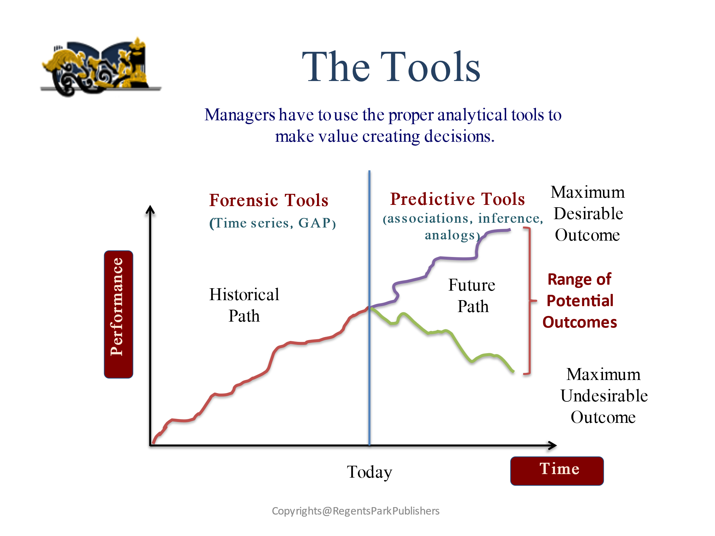

Decision Making Environments
Certainty
Knowing Risks
Uncertainty

Systems Thinking
*All organizations can be modeled as systems
*Systems are dynamic not static
*All systems are constrained
*One will never have perfect information about the future
*One can only predict the range of the possible outcomes, then estimate the probability of the most likely outcome
The Key Questions that will be asked are:
*How do you know?
* What is the evidence to support your
claims?
* When your decision is made in absence of
perfect information, what is the probability
that this is the correct decision?
*Can you explain what your business model
is?
*Can you explain your rationale for making
your specific decisions?

Selected Direct Applications:
* Capacity Planning
* Financial Modeling
* Strategic Planning
* Business Model Validation
* New Product Development

Markov
Markov Chain for Prediction
Use to Calculate Shifts in Market Shares
Claim: WetLawn's gains can only come from taking sales away from competitors.
Back

Original Market Shares at the beginning of the Period 1.
Do not change these numbers.

You can adjust this matrix to reflect your strategy.

Will be calculated.
Predicted Market Shares
for the end of the Period 1

Period 1
 |  |  | WetLawn | Comp 1 | Comp 2
WetLawn | A | 0.50 | 0.50 | 0.25 | 0.25 | A | 0.36
Comp 1 | B | 0.25 | 0.15 | 0.70 | 0.15 | B | 0.38
Comp 2 | C | 0.25 | 0.30 | 0.30 | 0.40 | C | 0.26

Means the market shares retained by Wetlawn and its competitors.

 |  | 1.0000 |  |  |  |  | 1.0000

Reference Logic
Back
Reference Logic

No Go
No Go
No Go

Market Size Constraints
Go
Internal Capacity Constraints
Go
Net Income Impact
Go
Future State

Gross Margin Constrains
Current State
Request to drop the price
Is the information true?
Assume it is true
Unit Sales Delta

Do not know if it is true?

It is true
Primary Only

Conduct Research
Both
Is it true?

Secondary Only

Is it not true?

You can adapt this logic to reflect your own thought process.

Financial Tool
Back
Financial 'What-if" Tool v.1
Use to Calculate the Net Income Effect

 | Current Unit Price |  | Proposed Discount |  |  | Unit Price after Discount

Please do not type any values in any cells except the Current Unit Price

 |  |  | 0.00% |  |  | $0.000
 |  |  |  |  | 10
 |  |  |  |  |  |  |  |  | Revenue
200 |  | 0

Enter WetLawn's
Current Unit Price

 | Market Potential |  | WetLawn's Market Share |  |  | Number of Units to be Sold |  |  | $0

 |  |  |  |  |  |  |  |  |  |  | Gross Profit
 |  |  |  |  |  |  |  |  |  | 100,000
 | 0 |  | 0%
 |  |  |  |  | 20000000 | 0

0 |  | 0 |  |  |  |  |  |  |  |  | #DIV/0!

 |  |  |  |  |  |  |  |  |  |  | $0

 | Unit Labor |  | Unit Material |  |  | Unit COGS |  |  | Total COGS

 | $0.00 |  | $0.00
 |  |  |  |  |  | $0.00
 |  |  |  |  | 5 |  |  |  | $0
0 |  | 0 |  | 1
 |  |  |  |  |  |  |  |  |  |  |  | Net Income

 | Channel Support Expenses (%) |  | Administrative Expenses |  |  | Market Research

 |  |  |  |  |  |  |  |  |  |  |  | $0

 | $0 |  | $0 |  |  | $0

1
 | 5% |  | 10%

 |  | 20
5 |  | 0 |  |  | 0 |  | $10
 |  |  |  |  |  | 0 |  | 6

 | Quota per Salesman (Units) |  | Number of Salesmen Required |  | 5 | Compensation per Salesman |  | Total Salesmen Compensation |  |  | Operating Expenses

 | 1,000,000 |  | 0 |  |  | $100,000 |  | $0
 |  |  |  |  |  |  |  |  |  |  | $0

1000000 |  |  |  |  | 100000

 | Required Production Capacity (Units) |  | Cost per Production Unit |  |  | Total Cost of Production Capacity |  | Depreciation Expenses based on 5 years schedule

 | 0 |  | $1,000,000 |  |  | $0 |  | $0

 |  | 1000000

