FirstPage
Operations Management

Test 2
Sample Problems
11/3/21

Reliability

Click Here to Start

Content
Back
Content

Problem 1

Problem 2

Problem 3

Problem 4

10
Back
Problem 10
Solution
Check

Krajewski 238
The GE produces specialty LED lights for industrial applications. The following data on the number of lumens for 40-watt lightbulbs were collected when the process was in control.
a) Calculate control limits for an R-chart
b) Calculate control limits for an $\overline{x}−chart$

 | Observation
Sample | 1 | 2 | 3 | 4
1 | 604 | 612 | 588 | 600
2 | 597 | 601 | 607 | 603
3 | 581 | 570 | 585 | 592
4 | 620 | 605 | 595 | 588
5 | 590 | 614 | 608 | 604

10 (2)
Solution
Back
Check Problem 10

The GE produces specialty LED lights for industrial applications. The following data on the number of lumens for 40-watt lightbulbs were collected when the process was in control.
a) Calculate control limits for an R-chart
b) Calculate control limits for an $\overline{x}−chart$
Step 1. Calculate $\overline{x}$ for each sample
Step 2. Calculate $\overset{̿}{X}$
Step 3. Clculate R for each sample
Step 4. Find the A2, D3, D4 Coeffcients

$$\overline{x}$$
 | Observation (n) |  |  |  |  |  | Observation (n)
Sample | 1 | 2 | 3 | 4 |  | Sample | 1 | 2 | 3 | 4 |  | R
1 | 604 | 612 | 588 | 600 |  | 1 | 604 | 612 | 588 | 600 | 601 | 24
2 | 597 | 601 | 607 | 603 |  | 2 | 597 | 601 | 607 | 603 | 602 | 10
3 | 581 | 570 | 585 | 592 |  | 3 | 581 | 570 | 585 | 592 | 582 | 22
4 | 620 | 605 | 595 | 588 |  | 4 | 620 | 605 | 595 | 588 | 602 | 32
5 | 590 | 614 | 608 | 604 |  | 5 | 590 | 614 | 608 | 604 | 604 | 24
$$\overset{̿}{x}$$
 |  |  |  |  |  |  |  |  |  | = | 598.2

$\overline{R}$
 |  |  |  |  |  |  |  |  |  | = |  | 22.4
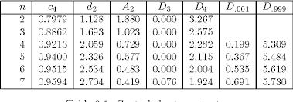
 |  |  |  |  | a)

The R-chart control limits are:
UCLR = D4 * $\overline{R}$ =
LCLR = D3 *$\overline{ R}$ =

 |  |  |  |  |  |  |  |  |  |  |  | 51.12

 |  |  |  |  |  |  |  |  |  |  |  | 0.00

For a sample of four observations
A2 = 0.729
D3 = 0.000
D4 = 2.282

 |  |  |  |  | b)

The $\overline{X}$ control limits are:
UCL$\overline{X}$ = $\overset{̿}{X}$ + A2* $\overline{R}$ =
UCL$\overline{X}$ = $\overset{̿}{X }$- A2* $\overline{R}$ =

 |  |  |  |  |  |  |  |  |  |  |  | 614.53

 |  |  |  |  |  |  |  |  |  |  |  | 581.87

9 (2)
Back
Check Problem 9
Solution

Krajewsk 225
The production manager of the paint manufacturing company is concerned about the number of wrong labels put on cans of paint.
Each week a random sample of 2,500 cans are selected, and the number of incorrect labels is recorded. The results for the last 12 weeks are shown below.
What are the values of the UCL and LCL?

Sample Number | # of Wrong Labels
1 | 15
2 | 12
3 | 19
4 | 2
5 | 19
6 | 4
7 | 24
n = 2,500
8 | 7
9 | 10
10 | 17
z = 3
11 | 15
12 | 3
 | 147
a = sum of the # of wrong labels
 |  | 147

b = total # of observations (12*2,500)
 |  | 30,000

$\overline{p}$ = a/b
 |  | 0.0049

σp = $\sqrt{\overline{(p}}$(1-$\overline{p}$)/n
 | 0.0049 | 0.9951 | 0.0049 | 0.0000 | 0.0014

UCLp = $\overline{p}$ + z*σp
 | 0.0091

LCLp = $\overline{p}$ - z*σp
 | 0.0007

9
Back
Problem 9
Check
Workspace

The production manager of the paint manufacturing company is concerned about the number of wrong labels put on cans of paint.
Each week a random sample of 2,500 cans are selected, and the number of incorrect labels is recorded. The results for the last 12 weeks are shown below.
What are the values of the UCL and LCL?

Sample Number | # of Wrong Labels
1 | 15
2 | 12
3 | 19
4 | 2
5 | 19
6 | 4
7 | 24
8 | 7
9 | 10
10 | 17
11 | 15
12 | 3

8 (2)
Back
Check Problem 8
Solution

Krajewski 239
The process average distribution for an item is 420, with a standard deviation of the population of 25.
A random sample of six items is taken from the assembly line.
The product design calls for the following tolerances:
400 $±$ 100 (this is where you calculate the upper and lower specifications)
a) Calculate the process capability index (target value = 1.33)
b) Calculate the process capability ratio (Cp)
c) Is the process capable of producing product reliably within these specifications ? Y N
a)
a)
The process capability index is:
Select the lower value of 1 or 2:
1) $\overset{̿}{(X}$ - Lower Specifications)/3σ =
2) (Upper Specifications - $\overset{̿}{X}$)/3σ =
b)
Cp = (Upper specification - Lower Specification)/6σ =
c) Y or N compare a) to c)
The process should be able to produce the product reliability within specifications.
However, the process capability index is 1.0667, so the current process is not centered properly for 3 sigma performance.
The mean of the process distribution is too close to the upper specifications.

1.6

1.0666666667

1.33

Y

8
Back
Problem 8
Workspace
Check

The process average distribution for an item is 420, with a standard deviation of the population of 25.
A random sample of six items is taken from the assembly line. The product design calls for the following tolerances:
400 $±$ 100
a) Calculate the process capability index (target value = 1.33)
b) Calculate the process capability ratio
c) Is the process capable of producing product reliably within these specifications ? Y N

7 (2)
Back
Check Problem 7
Solution

Blanchard 382
Calculate the overall reliability of this network

A
E

D
Blanchard 382
Calculate the overall reliability of this network
B

F

C

RA = 0.9
RB = 0.8
RC = 0.7
RD = 0.95
RE = 0.8
RF = 0.9

= (1 - (1-RA) (1-RB) (1-RC))
RD
RE + Rf - (RE*RF)
 |  | * | *

0.9940 | 0.9500 |  |  | 0.9800 | 0.9254

7
Back
Problem 7
Workspace
Check

Calculate the overall reliability of this network

RA = 0.9
RB = 0.8
RC = 0.7
RD = 0.95
RE = 0.8
RF = 0.9

A
E

D
B

F

C

6 (2)
Check Problem 4
Solution
Back

Montgomery 442
The MTBF for mechanical component is 200 hours. The MTTR for this component is 5 hours.
Calculate the availability: A(t)
A(t) = MTBF/(MTBF + MTTR) =
0.9756

This is the steady state availability of a repairable system at time t.

6
Problem 4
Back
Workspace
Check

The MTBF for mechanical component is 200 hours. The MTTR for this component is 5 hours.
Calculate the availability A(t).

5 (2)
Back
Check Problem 5
Solution

Using BINOM.DIST

Oconnor 2.9
What is the probability of having no more than 20 failures if n =100 , and p = 0.14?

Path: Formulas to More Functions to Statistical to BINOM.DIST
P20 =
0.9644

Using Normal Approximation

μ = np = 14
σ = ${(npq)}^{0.5}$ = 3.4699
q = 1- p = 0.8600
z = (x -μ)/σ = 1.73
P(20) = NORMSDIST(z,1) = 0.9554
 | 14

 | 3.4699

 | 0.8600

 | 1.73

 | 0.9554

5
Back
Problem 5
Workspace
Check

What is the probability of having no more than 20 failures if n =100 , and p = 0.14?

4 (2)
Check Problem 3
Solution
Back

at least 800 hours - means 800 hrs or more

Oconnor 2.8
The life of an incandescent lamp is normally distributed, with mean 1,200 hours and standard deviation of 200 hours.
What is the probability that a lamp will last at least 800 hours?
z =
P =
-2 | 0.022750131948 | 0.9772

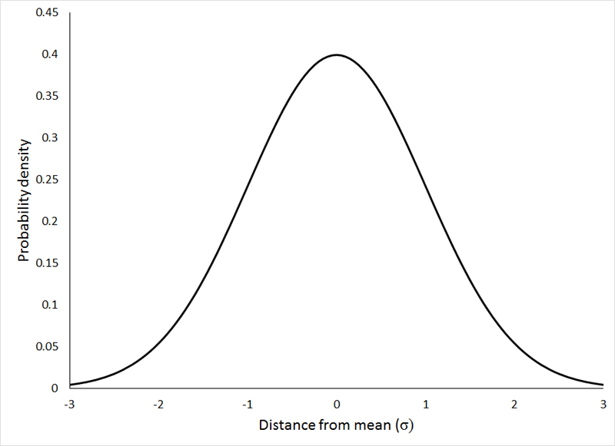

To calculate z-score: Path 1 Formulas to More Functions to Statistical to Standardize

μ 800

To calculate the Probability: Path 2 Formulas to More Functions to Statistical to NORMSDIST

4
Problem 3
Back
Workspace
Check

The life of an incandescent lamp is normally distributed, with mean 1,200 h and standard deviation of 200 hours.
What is the probability that a lamp will last at least 800h?

3 (2)
Back
Check Problem 3
Solution

Connor2.7 Poisson approx.
If the probability of an item failing is 0.001, what is the probability of 3 failing out of a population of 2,000?
Note: Use the Binomial Distribution
Using Binomial Distribution
BINOM. DIST (2, 2000,0.001,0)

0.2708

Path: Formulas to More Functions to Statistical to BINOM.DIST

3
Back
Problem 3
Workspace
Check

If the probability of an item failing is 0.001, what is the probability of 3 failing out of a population of 2,000?

2 (2)
Back
Check Problem 2
Solution

What is the......
1) Number of units that failed = 3
2) Total expected operating time = 50*10,000 =500,000
3) Total non - operating time = 3*5,000 = 15,000
4) Actual operating time = 500,000 - 15,000 = 485,000
MTBF = actual operating time/ number of failures = 485,000/3 =
161,666.67 unit-hr/failure or 161,667.67/(24)(365) = 18.46 unit-yr/failure.
The 18.46 unit-year failure figure represents the mean service time between failures during their several years of service. It is not necessarily indicative of the expected life of an individual unit.
Shaum 132
Fifty artificial heart valves were tested for 10,000 hours at a medical research center, and three valves failed during the test after 5,000 hours.
Calculate the MTBF.

485,000

161,666.67

18.46

Calculate:
a) percentage of failures
b) # of failures/unit year
c) How many failures could be expected during a year from the installation of these valves in 100 patients?
Calculate:
a) percentage of failures = Failure Rate (FR)
(FR% )= number of failures/number tested = 3/50 = 6.0%

b) (FR#) = of failures/unit year =number of failures/(operating time) =
= F/(TT - NOT) = 3/485,000 unit-hr = 0.0000062 failure/unit-hr
or in terms of years: 0.000062*(24/day)*(365/year) = 0.0542 failures/unit-year

c) How many failures could be expected during a year from the installation of these valves in 100 patients?
(0.0542 failure/(unit year))*100 units = 5.42 failures/year

2
Back
Problem 2
Workspace
Check

Fifty artificial heart valves were tested for 10,000 hours at a medical research center, and three valves failed during the test after 5,000 hours.
Calculate the MTBF.

1 (2)
Back
Check Problem 1
Solution

Shaum 133
The MTBF can be used to express the reliability of components or a system if the failure rate is constant. If we let R represent the system reliability, and t the time period of interest, then we can solve this problem.

R = $e^{−i/MTBF}$=${ e}^{− \frac{8}{16}}$ =

0.6065

Shaum 133
Safety valves used in an oil refinery have a constant failure (hint: exponential distribution) rate with an MTBF of 16 years.
What is the probability (will be reliable) that a newly installed valve will function without failure for the next 8 years (i)?
Path: Formulas to Math & Trig to EXP

1
Back
Problem 1
Workspace
Check

Safety valves used in an oil refinery have a constant failure (hint: exponential distribution) rate with an MTBF of 16 years.
What is the probability (Reliability) that a newly installed valve will function without failure for the next 8 years?

