First Page
CSUSM

BUS 204

Test 2 Sample Problems
3/11/23

Hypothesis Testing

Click Here to Start

Map
Back

Research Hypothesis Testing
Areas

Click on the Yellow Cells

μ, σ

Formulating Hypothesis

Problem 1
Known
Unknown

Large Sample
Large Sample
Small Sample

right-tail
Left-tails
Two-tail
Right-tail
Left-tail
Two-tails
right-tail

Problem 2
Problem 4
Problem 3
Problem 5
Problem 8
Problem 6
Problem 7

Use t distribution
Use z distribution

Areas
Back

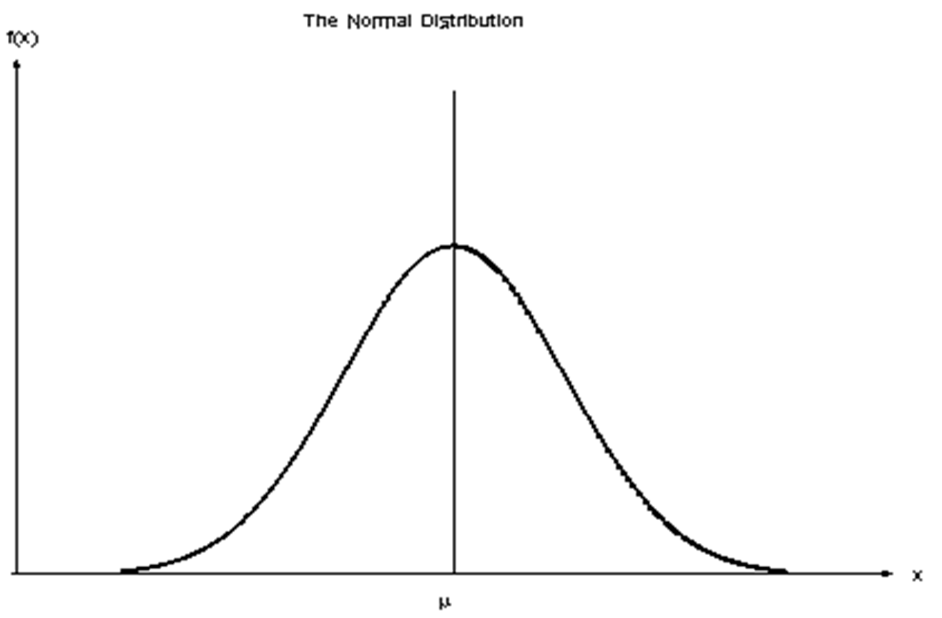


Ha Acceptance = Ho Rejection
Ha Rejection =Ho Status Quo
Ha Acceptance = Ho Rejection
Ha Acceptance = Ho Rejection
Ha Rejection = Ho Status Quo

Ha Rejection = Ho Status Quo
Ha Acceptance = Ho Rejection

Problem 81
Back
Problem 8

Groebner 6 8.1
Givens:
$$\overline{X }=510$$
n =16
s = 45
μ < 540 ?

 | Hypothesis test for µ,σ unknown,small sample

lower-tail

Solution

Step 1. Specify the population value of interest:
The manager is interested in knowing the true mean time of the population
Step 2. Formulate the Ho and Ha:
Ho: µ ≥ 540 seconds
Ha: µ < 540 seconds
Step 3. Specify the desired level of significance:
α = 0.01
Step 4. Construct the rejection region:
This is a t-distribution test.
Degrees of freedom = n-1 = 16-1 = 15
t (critical value) = -2.2485
Step 5. Compute the test statistics:
t(test)=($\overline{X}$-µ)/(s/$\sqrt{n}$) = 2.6667
Step 6. Reach a decision:
Because t(test) -2.6667 <-2.2485 we have enough evidence to reject the Ho
Step 7. Draw a conclusion:
Based on the sample data, the mean time is less than 540 seconds.

0

-2.6667
-2.2485

This is a small sample of 16

 |  |  |  |  | Path: Formulas to Statistical to TINV(0.01,15)

Step 4.

n =
α =
df= =
n =
t(critical)= |  | -2.2485 |  | 0.01 | 16 | 15

Will be Calculated
Insert
Insert
Will be Calculated

Step 5.

$\overline{X}$ =
 | 510

Insert
µ =
 | 540

s =
 | 45

n =
 | 16

$\sqrt{n}=$ =
 | 4
Will be Calculated

t(test statistic)= |  |  | -2.6667
Step 6.

Reject the Ho

Problem 6
Back
Problem 6

6320
A DFIC uses a filling machine for its 64-ounce cartons.
There is some variation in the actual amount of ice cream that goes into the carton.
The machine can go out of adjustment and put a mean amount either less or more than 64 ounces in the cartons.
To monitor the filling process, the production manager selects a simple random sample of 16 filled ice cream cartons each day.
$\overline{X }$= 64.2, s = 0.72
Test whether or not the machine is in the adjustment (works properly.)

 | Hypothesis test for µ,σ unknown,small sample

This is two a tail-test

Solution

Step 1. Specify the population value of interest:
The manager is interested in the mean amount of ice cream that goes into the carton..
Step 2. Formulate the Ho and Ha:
The status quo is that the machine continues to fill ice cream cartons with a mean equal to 64 ounces.
Ho: µ = 64 ounces (machine is in adjustment)
Ha: µ ≠ 64 ounces (machine is out of adjustment)
Step 3. Specify the desired level of significance:
α = 0.05
Step 4. Construct the rejection region:
This is a two-tail , t-distribution test.
Degrees of freedom = n-1 = 16-1 =15
t (critical values) = -2.1314 and 2.1314
Step 5. Compute the test statistics:
Assume: s = 0.72 and n = 16
t(test)=($\overline{X}$-µ)/(s/$\sqrt{n}$) =1.1111
Step 6. Reach a decision:
Since t(test 1.1111) >--2.1314 and t(test 1.1111) < 2.1314
We do not reject the Ho hypothesis.
Step 7. Draw a conclusion:
Based on the sample data, the company has no reason to believe that the filling machine is out of adjustment.

--2.1314
0
1.1111
2.1314

This is a small sample of 16

 |  |  |  |  | Path: Formulas to Statistical to T.INV.2T(0.05.15)

Step 4.

n =
α =
n-1 =
df= =
t(critical)= |  | 2.1314 |  | 0.05 | 16 | 15

Will be Calculated
Opposite |  | -2.1314

Step 5.

$\overline{X}$ =
 | 64.2

Insert
µ =
 | 64

s =
 | 0.72

n =
 | 16

$\sqrt{n}=$ =
 | 4
Will be Calculated

t(test statistic)= |  |  | 1.1111
Step 6

Problem 7 (2)
Back
Problem 7

Groebner 6 8.1
Givens:
$$\overline{X }=498.78$$
n = 23
s = 46.98
μ = 471
α = 0.05
 | Hypothesis test for µ,σ unknown, small sample

 | One right tail

Solution

0
1.7171
2.8383
Step 1. Specify the population value of interest:
The mean of the population value of interest.
Step 2. Formulate the Ho and Ha:
Ho: µ ≤ 471
Ha: µ > 471
Step 3. Specify the desired level of significance:
α = 0.05
When you use the Excel TINV function you need to write: TINV(0.1,22)
Step 4. Construct the rejection region:
Upper one-tail.
df = 13 - 1 = 22
t(critical value) = 1.7171
Step 5. Compute the test statistics:
s = ($\overline{X}$-µ)/(s/$\sqrt{n}$) = 2.8383
Step 6. Reach a decision:
Since t = 2.8383 > 1.7171
There is enough evidence to rejected Ho.

This is a small sample of 23
23-1=22 degrees of freedom

Insert
Insert

Step 4.

α =
n =
 |  |  |  | 0.05 | 23

Will be calculated

 |  |  | t(critical value)= |  | 1.7171

Step 5.

$$\overline{X}=$$
 |  | 498.78

μ =
Insert
 |  | 471

s =
 |  | 46.94

n =
 |  | 23

$\sqrt{n}$ =
 |  | 4.7958315233
Will be calculated

t(test)= |  | 2.8383

Problem 5
Back
Problem 5

6318
Engineers at the American Lighting Company recently developed a new three-way light bulb that they claim is more energy efficient than the company's current three-way bulb.
They also claim that the new bulb will outlast the current bulb, which has an average lifetime of 700 hours.
A random sample of 100 new light bulbs was selected, and the following sample results were reported:
$\overline{X}$=702 hours
s=15 hours
Test the claim using an alpha = 0.1 level.

 |  | Hypothesis test for µ, σ unknown, large sample

 |  | One right tail

Accept Ha

Solution

0
1.3333
1.2816
Step 4:

Step 1. Specify the population value of interest:
The company is interested in the mean life of the bulb.
Step 2. Formulate the Ho and Ha:
The company claimed the mean will exceed 700 hours. This is the research hypothesis.
Ho: µ ≤ 700 hours
Ha: µ > 700 hours
Step 3. Specify the desired level of significance:
α = 0.1 (1-0.1 = 0.9)
Step 4. Construct the rejection region:
Because the sample size is large, the critical value can be approximated using a z-value from the standard normal distribution for one tailed test.
z = 1.2816
Step 5. Compute the test statistics:
z = ($\overline{X}$-µ)/(s/$\sqrt{n}$) = 1.3333
Step 6. Reach a decision:
Because z = 1.3333 > 1.2816, we accept the Ha hypothesis and reject the Ho hypothesis.
Step 7. Draw a conclusion:
Conclude that the new bulb does have a higher mean life than the original.
NORMS.INV(0.9)
 | z(critical)= |  |  | 1.2816

Step 5:
$\overline{X}$=
 |  | 702

$µ$=
Insert
 |  | 700

s =
 |  | 15
n =
 |  | 100

$\sqrt{n}$ =
Will be calculated
 |  | 10

z(test)= |  |  | 1.3333

Step 6:

Mean
Critical Value
Test Statistic

0 |  |  |  | 1.2816 | 1.3333

Accept Ha

Problem 4
Back
Problem 4

6317
The WGC has a contract to supply plate glass for home and commercial windows.
The contract specifies that the mean thickness of the glass must be 0.375 inches.
The σ = 0.05 inch. Before sending the first shipment, managers wish to test whether they are meeting the requirements by selecting a random sample of n =100 thickness measurements.
Assume $\overline{x}$ = 0.378 inch

 | Hypothesis test for µ,σ known, large sample

 | Two Tails

Solution

Step 1: Specify the population of interest:
The mean thickness of glass is of interest.
Step 2: Formulate the null and alternative hypothesis:
Ho = 0.375
Ha ≠ 0.375 (claim)
Step 3: Specify the significance level:
α = 0.05 (Since this is a two tailed test we use α/2 = 0.025
Step 4: Construct the rejection region:
zα/2=-1.9600 zα/2=1.9600
Step 5: Compute the test statistic:
z=($\overline{X}$-µ)/(σ/$\sqrt{n}$)=0.6
Step 6: Reach a decision based on the decision rule:
The decision rule : if z(test statistic) <-1.9600 or z(test statistic) >1.9600 accept Ha and reject Ho.
Because z (test) = 0.6000 > -1.9600 and z(test) = 0.6000 < 1.9600 we do not accept the Ha and hence, do not reject the Ho.
Step 7: Draw a conclusion:
There is no sufficient evidence to conclude that the company does not meet the contract.

Region of Ha Acceptance
Region of Ha Acceptance

-1.96
0.6
1.96

Region of Ha Rejection

Step 4

NORMS.INV(0.025)
z(critical value)= |  |  |  | -1.9600

NORMS.INV(0.975)
z(critical value)= |  |  |  | 1.9600

Step 5

$$\overline{X}$$
 |  | = | 0.378

 | µ | = | 0.375
Insert

 | s.d. | = | 0.05

 | n | = | 100 |  |  | σ
$$\sqrt{n}$$
Will be calculated
 |  | = | 10

z(test)= |  | 0.6000

Step 6

 | Critical Value |  |  |  | Test Statistic |  | Critical Value

 | -1.9600 |  |  |  | 0.6000 |  | 1.9600

Problem 3
Back
Problem 3

6315
The Elgin Heart Institute performs many open-heart surgery procedures.
Recently research physicians at Elgin have developed a new heart bypass surgery procedure that they believe will reduce the average recovery time.
The hospital board will not recommend the new procedure unless there is substantial evidence to suggest that it is better than the existing procedure.
Records indicate that the current mean recovery rate for the standard procedure is 42 days, with a standard deviation of 5 days.
To test whether the new procedure actually results in the lower mean recovery time, the procedure was performed on a random sample of 36 patients.
Conduct a test and draw a conclusion.

Hypothesis test for µ,σ known, large sample

One left tail
95% significance level is the default value.

Solution

Ha < 42 (Claim)

Step 1: Specify the population of interest:
We are interested in mean recovery time.
Step 2: Formulate the null and alternative hypothesis:
The new claim is that µ > 40. Because this is different from past studies, it will become the alternative hypothesis:
Ho ≥ 42
Ha < 42 (claim)
Step 3: Specify the significance level:
α = 0.05 (this is the probability)
Step 4: Construct the rejection region:
z = -1.6449
Step 5: Compute the test statistic:
z = ($\overline{X}$-µ)/(σ/$\sqrt{n}$) = -2.400
Step 6: Reach a decision based on the decision rule:
The decision rule : if z <-1.6449 accept Ha and reject Ho.
z = test statistic
Because z = -2.400 < -1.6449, we accept the Ha and reject Ho
Step 7: Draw a conclusion:
There is sufficient evidence to conclude that the new bypass procedure does result in a shorter average recovery period.

-2.400
-1.6449
0

 | Step 4

NORMS.INV(0.05)
 | z(critical value) = |  |  |  | -1.644853627

Compute Test Statistic
 | Step 5

$$\overline{X}$$
 |  |  | = | 40

 |  | µ | = | 42
Insert

 |  | s.d. | = | 5

 |  | n | = | 36 |  |  | σ
$$\sqrt{n}$$
Will be calculated
 |  |  | = | 6

 |  | -2.4000

 | Step 6

 | Test Statistic |  |  |  |  | Critical Value |  | Mean

 | -2.4000 |  |  |  |  | -1.644853627 |  | 0

Accept Ho
Reject Ho

Problem 2
Back
Problem 2

To perform the hypothesis test, we need to select a cutoff point that is the demarcation between rejecting and not rejecting the null hypothesis.
Our decision rule states how we will apply this demarcation point.
For example: if the $\overline{x}$ is less than the cut-off then we accept the Ha and consequently reject the Ho.

6312
A study in southern California claimed that the mean commute time for all employees working in Orange County exceeds 40 minutes.
The figure is higher than what has been assumed in the past. The plan is to test this claim using α equal to 0.05 and a sample size of n = 100 commuters.
Based on the previous studies, suppose that the population standard deviation is known to be σ = 8 minutes and $\overline{X}$ = 43.5 minutes.
Draw a conclusion based on the hypothesis test.

Hypothesis test for µ,σ known, large sample

Right tail

Cut-off

Solution

α

0

Step 1: Specify the population value of interest:
The population value of interest is the mean commute time, µ.
Step 2: Formulate the null and alternative hypothesis:
The new claim is that µ > 40. Because this is different from past studies, it will become the alternative hypothesis:
Ho ≤ 40 minutes
Ha > 40 minutes (claim) Indicates the right hand side
Step 3: Specify the significance level:
α = 0.05 (1 - 0.05 = 0.95 to be used with Excel).
We will use it to calculate the Critical Value.
Step 4: Construct the rejection region
Calculate the Critical Value (the cut-off point):
z = 1.6449 NORM.S.INV(0.95)
Step 5: Compute the Test Statistic:
z=($\overline{X}$-µ)/(σ/$\sqrt{n}$ ) = 4.3750
Step 6: Decide based on the decision rule:
The decision rule : if z (test) ˃ 1.6449 accept Ha and reject Ho.
Because z (test) = 4.3750 > 1.6449, we accept Ha and reject Ho
Step 7: Draw a conclusion:
Conclude that the mean commute distance does exceed 40 minutes.

Calculate the Critical Value

=1-α =0.95

0
1.6449

Calculate the Critical Value
Step 4

NORM.S.INV(0.95)
Critical Value
z(critical value) = |  |  |  | 1.6449

Compute the Test Statistic
Step 5

Test Statistic Calculator

$$\overline{X}$$
 |  | = | 43.5
Test Statistic

 | µ | = | 40
Insert

 | s.d. | = | 8

 | n | = | 100 |  |  | σ
1.6449
0
4.3750
$$\sqrt{ n}$$
Will be calculated
 |  | = | 10

 | 4.3750
Ha Acceptance
hence
Ho Rejection

Decision Rule

Step 6

 |  | Mean |  |  | Critical Value |  | Test Statistic

 |  | μ = 0 |  |  | 1.6449 |  | 4.375

Ha Rejection Region
Ha > 40 Acceptance Region

Problem 1
Back
Solution
Problem 1

6305
In today's economy, many university students work many hours, often full time, to pay for the high cost of a college education.
Suppose a university was considering changing its class schedule to accommodate students working long hours.
The registrar has stated a change was needed because the mean number of hours worked by undergraduate students at the university is more than 20 per week.
Develop the appropriate null and alternative hypothesis.
Step 1. Determine the population of interest:
In this case, the population value of interest in the mean hours worked, µ. The null and alternative hypothesis must be stated in terms of the population values.
Step 2. Define the situation that is assumed to be true unless substantial information exists to suggest otherwise:
Because changing the class scheduling system would be expensive and time consuming, the assumption is made that the mean hours worked is less than or equal to 20 hours per week. The burden of proof is placed on the registrar to justify her claim that the mean exceeds 20 hours.
Step 3. Formulate the null and alternative hypotheses:
Ho: µ ≤ 20 hours
Ha: µ ˃ 20 hours

